2. Technical
2. Technical
Suppliers, Please provide the information requested |  | Supplier Response
2.1 | Data
2.1.01 | How is data secured and kept secured? | Our data security measures on Azure include encryption, database backups, private communication within Virtual Networks (VNets), and Microsoft Defender for Cloud on Subscriptions. These combined measures ensure comprehensive protection against threats and vulnerabilities, maintaining our data assets' confidentiality, integrity, and availability.
2.1.02 | Data Retention policies and procedures? | Our data retention policies for Azure VM backups involve performing full VM-level backups once a day and log backups for SQL Server databases every hour. These backups are stored within Azure Recovery Services Vaults, with a retention period of 30 days. This ensures that critical data and configurations are safeguarded, enabling point-in-time recovery for minimizing data loss and maintaining data consistency
2.1.03 | How is data encrypted? | All managed disks, snapshots, images, and data stored on existing managed disks in Azure are automatically encrypted at rest with platform-managed keys. This encryption utilizes 256-bit AES encryption, which is one of the strongest block ciphers available, ensuring compliance with FIPS 140-2 standards. This transparent encryption provides robust protection for data stored within Azure-managed disks
2.1.04 | Considerations for PII and GDRP? | Yes ,Our Azure infrastructure incorporates robust measures for handling PII and adhering to GDPR regulations.By incorporating the measures, we prioritize data security, privacy, and regulatory compliance, safeguarding sensitive information in alignment with GDPR requirements
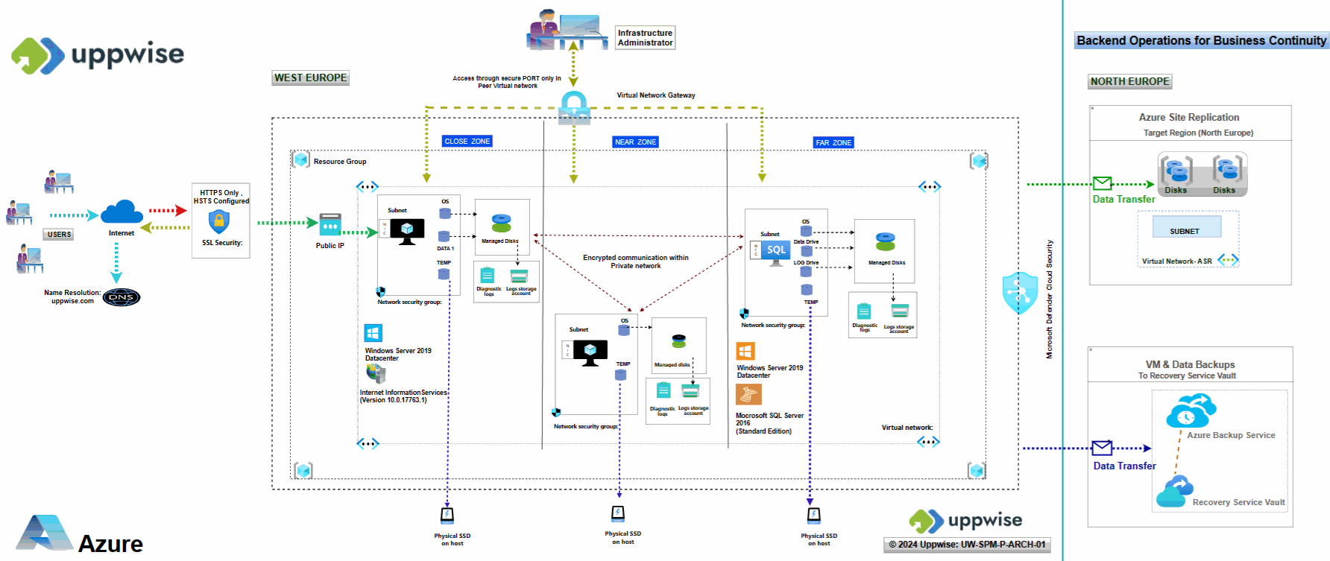
2.2 | Execution
2.2.01 | Describe the infrastructure. Which geographies will it be hosted? | For an overview of our infrastructure, please refer to the provided architectural diagram. Our primary data center is situated in West Europe, serving as the backbone of our operations. Additionally, we have established a failover site in North Europe to ensure continuity in the event of any unforeseen disruptions
2.2.02 | Any special execution requirements around availability, active/passive, logging/monitoring, ports, IP addresses? | No
2.2.03 | What training and/or materials are available? | Inbuilt help module is in place to get familiar with module and functionality
2.2.04 | What will be used for access (browser, portal, citrix, GUI, etc.) and what are possible options? | Browser
2.2.05 | What browsers are compatible (IE7, 8, 9, 10, 11, MS Edge, Chrome etc) ? | We support Edge Chromium, Google Chrome, Safari with latest version
2.3 | Application
2.3.01 | Is it SaaS? | Yes
2.3.02 | What information/warning/error notifications are available? How are these done (email, app, etc)? | The application is equipped with informative and error messages over the user actions, and there is a comprehensive email notification system in place.
2.3.03 | Will there be Administration rights internally to manage and configure, or is that done by vendor? | Yes
2.3.04 | Is there a mobile app? | Yes
2.3.05 | Are any Add-ons/other technology required in order to support analytics and reporting? | No, it shipped with SPM application
2.4 | Development
2.4.01 | Preferred development timelines and methodologies? | We typically follow an agile development approach, allowing for flexibility and iterative improvements throughout the development lifecycle In terms of timelines, we aim to work closely with our clients to establish realistic project schedules based on the scope and complexity of the project
2.4.02 | What application landscapes are proposed for development and testing? | For development and testing, we propose a comprehensive application landscape that encompasses multiple environments to ensure thorough testing and smooth deployment. Our proposed landscape typically includes: Development Environment , Testing Environment, Staging Environment, Production Environment Additionally, depending on the project requirements and complexity, we may incorporate additional environments such as User Acceptance Testing (UAT) Environment
2.5 | Operations
2.5.01 | What geographies are the support team based? | The Support team majorly based on India,
2.5.02 | Describe Level 0, L1, L2, L3 support
2.5.03 | Describe support hours (24x7, 24x5, etc)
2.5.04 | What are the standard support SLAs?
2.6 | Network
2.6.01 | Any bandwidth/latency requirements? | providing a good and compatible bandwidth is essential for delivering a reliable and satisfactory user experience across various online activities and applications
2.6.02 | Availability over the internet? | Our application hosted on Azure offers a robust SLA > 99%, excluding planned maintenance.
2.6.03 | Any specific protocols and/or ports required? | Our servers exclusively employ TLS 1.2 protocols, utilizing best practice cipher suites to bolster security. We have disabled all TLS/SSL protocols below TLS 1.2 to mitigate vulnerabilities. Additionally, HTTPS-only links are enforced across our applications, complemented by secure site SSL certificates. Furthermore, we have configured HTTP Strict Transport Security (HSTS) on our Internet Information Services (IIS) to further enhance security by ensuring secure connections over HTTPS
2.7 | Security
2.7.01 | How is access done (Active Directory, Single Sign On, 2 step authentication, etc.)? | For secure access, our solution offers Form-Based Authentication, Two-Factor Authentication (2FA), and Single Sign-On (SSO) leveraging users' Active Directory credentials. These features enhance security and streamline access management, ensuring secure and convenient access to our services
2.7.02 | Any non-expiring passwords or admin accounts? | In our Uppwise application, password expiration policies are configurable within the administration module. We provide flexibility to set expiration policies for user passwords while allowing exclusion of admin accounts as needed. This feature enhances security by ensuring regular password updates while accommodating administrative requirements
2.7.03 | Encryption required or used? | To safeguard data during transit between cloud services and clients, all outbound traffic from our data centers is encrypted. We utilize TLS 1.2 as the default security protocol, ensuring strong authentication, message privacy, and integrity. TLS offers interoperability, algorithm flexibility, and ease of deployment, enhancing security measures for data transmission.
2.7.04 | How is user security controlled for data objects (Regions / Categories / roles / groups etc)? | Our solution includes an integrated authorization system that validates users and grants access based on defined permissions for specific data. Our authorization process ensures that only authorized data is processed, mitigating the risk of unauthorized access. We utilize a set of predefined user roles within our policy framework to actively manage user authorization and prevent unauthorized access.
2.8 | Business Resiliency
2.8.01 | How is DR done? | Our Disaster Recover powered by Azure Site Recovery Services, ensures business continuity. Site Recovery Service: Facilitates seamless failover of workloads from primary to secondary sites during outages.
2.8.02 | How do you prevent data loss? | Our approach to preventing data loss includes: Site Recovery Service: Facilitating seamless failover of workloads from primary to secondary sites during outages. Backup Service: Safeguarding data with reliable backup and recovery capabilities. These measures, powered by Azure Recovery Services & Backup services, ensure resilience and data integrity, minimizing the risk of data loss.
2.8.03 | What is the availability, RPO and RTO of the solution? | Our application hosted on Azure offers a robust SLA > 99%, excluding planned maintenance. With Azure Site Recovery (ASR), we maintain Recovery Time Objectives (RTO) and Recovery Point Objectives (RPO) within organizational limits. Site Recovery ensures continuous replication for Azure VMs with replication frequencies as low as 30 seconds, ensuring minimal downtime and data loss
2.9 | Integration
2.9.01 | Describe the integration features? What integrations will be needed to integrate with Mondelez? | Our application does not have built-in integration specifically tailored for Mondelez systems. However, our platform is equipped with a robust REST API that facilitates seamless integration with external systems, including Mondelez
2.9.02 | What are the options for integration (APIs, XML, CSV, etc.) | APIs
2.9.03 | How does this integrate with SAP PLM? | Our application can seamlessly integrates with SAP PLM to streamline product lifecycle management processes and enhance collaboration across teams. The integration can be achieved through a combination of standard APIs provided by SAP and custom integration solutions tailored to meet the specific requirements of our application.
2.9.04 | How does this integrate with SAP MDG? | Our application can integrates with SAP Master Data Governance (MDG) to provide a comprehensive solution for managing master data across your organization. This integration is facilitated through a combination of standard interfaces provided by SAP and custom integration layers which can be developed by our team
2.9.05 | How are integrations monitored? | Our integration monitoring process involves the continuous monitoring of key metrics and parameters to ensure the reliability, performance, and security of integrations between our application and external systems. Key aspects of our integration monitoring approach include: Health Checks, Performance Monitoring, Error Monitoring, Security Monitoring, Logging and Auditing
2.10 | Compliance
2.10.01 | What is the licensing model and requirements?
2.10.02 | What standards are used for SOX, data compliance, etc.? | we are ISO27001 certified with extended controls ISO/IEC 27017 e ISO/IEC 27018 & General Data Protection Regulation (GDPR)

